Info
Run #1 | Normal Breathing | Wt Calculator | Ht Calculator
Run #2 | Deep Breathing | 125 | 71
Run #3 | Head Side-to-Side | 56.818181818 | 180.34
Run #4 | Head Up-and-Down
Run #5 | Talking out loud
Run #6 | Bending over
Run #7 | Normal Breathing

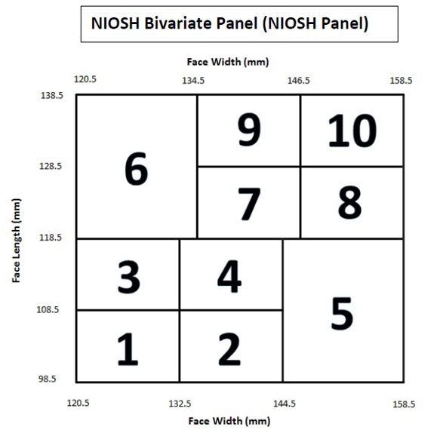
 |  |  |  | Panel Cell No. | Distribution (%) | Number of Subjects | We have
 |  |  |  | 1 | 5.5 | 1
 |  |  |  | 2 | 5.3 | 1
 |  |  |  | 3 | 10.5 | 2
 |  |  |  | 4 | 25 | 4
 |  |  |  | 5 | 7.1 | 1
 |  |  |  | 6 | 5.7 | 1
 |  |  |  | 7 | 21.3 | 4
 |  |  |  | 8 | 8.7 | 2
 |  |  |  | 9 | 5.2 | 1
 |  |  |  | 10 | 3.5 | 1

